LP vs IP -LP Soln
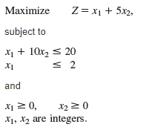
Solution with LP

 | x1 | x2 |  |  | Objective
Variables | 0 | 2 |  |  | 10

 |  |  | Left handside |  | Right handside
Constraint 1 | 1 | 10 | 20 | <= | 20
Constraint 2 | 1 | 0 | 0 | <= | 2

Objective Coefficients | 1 | 5

